Yield Curve
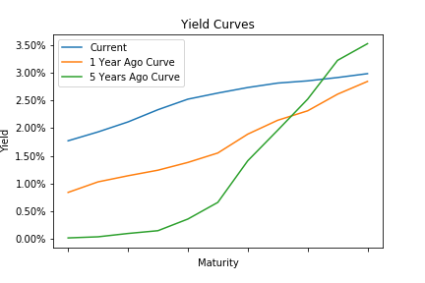
Treasury Yield Curve

 | Current | 1 Year Ago Curve | 1 Year Change | 5 Years Ago Curve | 5 Year Change
1 Mo | 1.77 | 0.84 | 0.93 | 0.02 | 1.75
3 Mo | 1.93 | 1.03 | 0.9 | 0.04 | 1.89
6 Mo | 2.11 | 1.14 | 0.97 | 0.1 | 2.01
1 Yr | 2.33 | 1.24 | 1.09 | 0.15 | 2.18
2 Yr | 2.52 | 1.38 | 1.14 | 0.36 | 2.16
3 Yr | 2.63 | 1.55 | 1.08 | 0.66 | 1.97
5 Yr | 2.73 | 1.89 | 0.84 | 1.41 | 1.32
7 Yr | 2.81 | 2.14 | 0.67 | 1.96 | 0.85
10 Yr | 2.85 | 2.31 | 0.54 | 2.52 | 0.33
20 Yr | 2.91 | 2.61 | 0.3 | 3.22 | -0.31
30 Yr | 2.98 | 2.84 | 0.14 | 3.52 | -0.54

Real Estate Nominal
 | Nominal Real Estate Returns

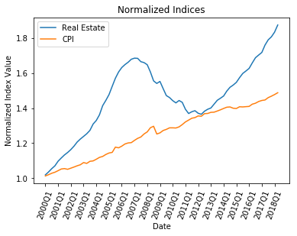
 | Quarter
Year |  | 1 | 2 | 3 | 4
 | 2000 | 1.9% | 1.6% | 1.8% | 1.5%
 | 2001 | 2.5% | 1.7% | 1.6% | 1.2%
 | 2002 | 1.4% | 1.7% | 2.0% | 1.4%
 | 2003 | 1.2% | 1.2% | 1.5% | 2.8%
 | 2004 | 1.6% | 2.4% | 3.8% | 2.1%
 | 2005 | 2.3% | 3.2% | 3.0% | 2.3%
 | 2006 | 1.6% | 1.0% | 0.8% | 1.0%
 | 2007 | 0.4% | -0.1% | -1.1% | -0.3%
 | 2008 | -0.7% | -2.5% | -3.2% | -0.9%
 | 2009 | 0.7% | -2.6% | -2.6% | -0.8%
 | 2010 | -1.2% | -0.9% | 1.0% | -0.7%
 | 2011 | -2.8% | -1.7% | 0.7% | 0.4%
 | 2012 | -1.1% | -0.4% | 1.3% | 0.8%
 | 2013 | 0.5% | 1.6% | 1.6% | 0.8%
 | 2014 | 0.9% | 1.9% | 1.4% | 0.8%
 | 2015 | 1.0% | 1.7% | 1.5% | 0.9%
 | 2016 | 0.9% | 1.9% | 1.8% | 0.9%
 | 2017 | 0.9% | 2.5% | 1.7% | 1.0%
 | 2018 | 1.5% | 2.2%

Real Estate Adjusted
 | Adjusted Real Estate Returns

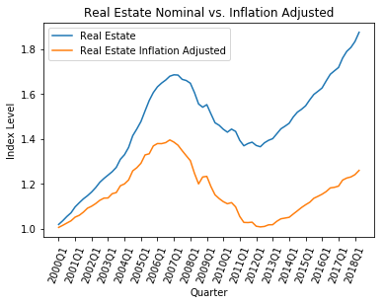
 | Quarter
Year |  | 1 | 2 | 3 | 4
 | 2000 | 0.6% | 0.9% | 1.0% | 1.0%
 | 2001 | 1.6% | 0.8% | 1.3% | 1.6%
 | 2002 | 0.8% | 1.1% | 1.3% | 0.9%
 | 2003 | 0.1% | 1.7% | 0.4% | 2.6%
 | 2004 | 0.7% | 1.5% | 3.3% | 1.1%
 | 2005 | 1.6% | 2.9% | 0.4% | 2.6%
 | 2006 | 0.8% | 0.0% | 0.3% | 0.9%
 | 2007 | -0.7% | -1.0% | -1.7% | -1.7%
 | 2008 | -1.7% | -4.3% | -3.8% | 2.6%
 | 2009 | 0.2% | -3.7% | -3.1% | -1.4%
 | 2010 | -1.2% | -0.8% | 0.5% | -1.7%
 | 2011 | -3.9% | -2.5% | -0.1% | 0.2%
 | 2012 | -1.7% | -0.3% | 0.2% | 0.7%
 | 2013 | 0.1% | 1.5% | 1.1% | 0.3%
 | 2014 | 0.3% | 1.4% | 1.3% | 1.4%
 | 2015 | 1.1% | 1.0% | 1.6% | 0.8%
 | 2016 | 0.8% | 1.0% | 1.4% | 0.2%
 | 2017 | 0.5% | 2.3% | 0.8% | 0.4%
 | 2018 | 0.8% | 1.5%

